Dashboard-Sales
SALES ANALYSIS

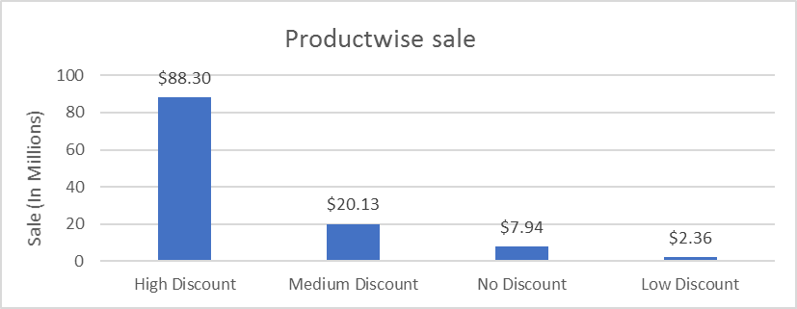
Productwise sale
 | Total
High Discount | 88297928.88
Medium Discount | 20128779.87
No Discount | 7943654
Low Discount | 2355987.54
Countrywise sale
 | Sum of Sales | Sum of Profit
Canada | 24887654.89 | 3529228.89
France | 24354172.29 | 3781020.79
Germany | 23505340.82 | 3680388.82
Mexico | 20949352.11 | 2907523.11
United States of America | 25029830.18 | 2995540.68

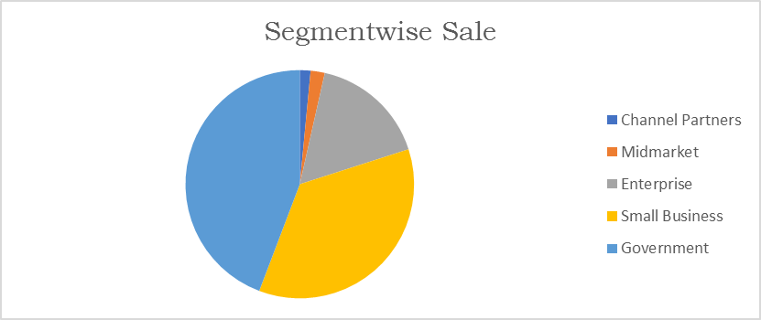
Segmentwise Sale
 | Total
Channel Partners | 1800593.64
Midmarket | 2381883.09
Enterprise | 19611694.38
Small Business | 42427918.5
Government | 52504260.68
 | Total
1/9/2013 | 4484000.03
1/10/2013 | 9295611.1
1/11/2013 | 7267203.3
1/12/2013 | 5368441.08
1/1/2014 | 6607761.69
1/2/2014 | 7297531.39
1/3/2014 | 5586859.87
1/4/2014 | 6964775.08
1/5/2014 | 6210211.06
1/6/2014 | 9518893.82
1/7/2014 | 8102920.19
1/8/2014 | 5864622.42
1/9/2014 | 6398697.24
1/10/2014 | 12375819.92
1/11/2014 | 5384214.2
1/12/2014 | 11998787.9

Dashboard-Profit
Profit Analysis

 | Total
Enterprise | -614545.62
Midmarket | 660103.09
Channel Partners | 1316803.14
Small Business | 4143168.5
Government | 11388173.18
Profit Time series
 | Total
1/9/2013 | 763603.03
1/10/2013 | 1657795.1
1/11/2013 | 765502.3
1/12/2013 | 691564.08
1/1/2014 | 814028.69
1/2/2014 | 1148547.39
1/3/2014 | 669866.87
1/4/2014 | 929984.58
1/5/2014 | 828640.06
1/6/2014 | 1473753.82
1/7/2014 | 923865.69
1/8/2014 | 791066.42
1/9/2014 | 1023132.24
1/10/2014 | 1781985.92
1/11/2014 | 604600.2
1/12/2014 | 2025765.9

 | Sum of Profit | Sum of Profit Rate
High Discount | 10325198.88 | 18.212737024
Low Discount | 823793.54 | 63.200603208
Medium Discount | 4008254.87 | 94.139067957
No Discount | 1736455 | 19.754285714
 | Total
Europe | 7461409.61
North America | 9432292.68

